Sheet1
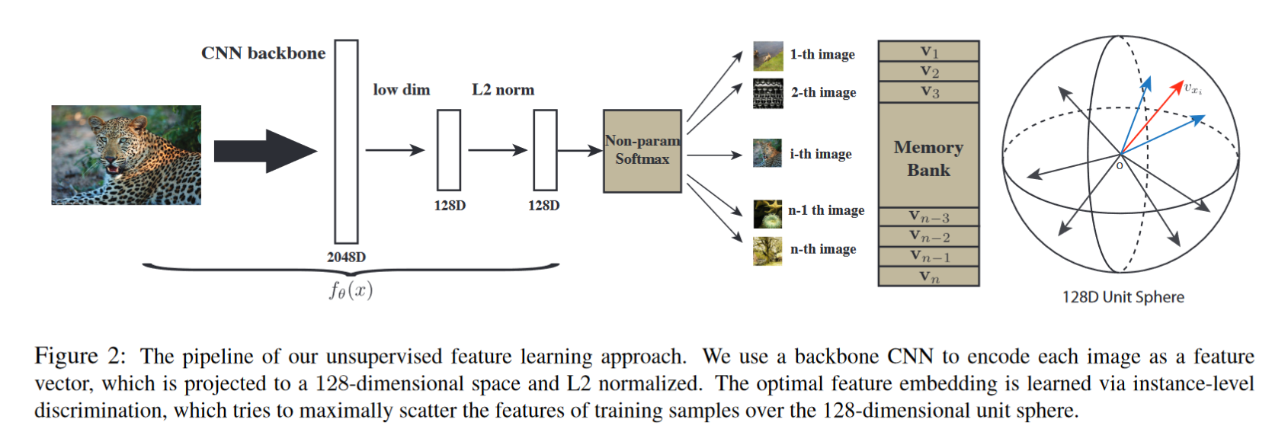
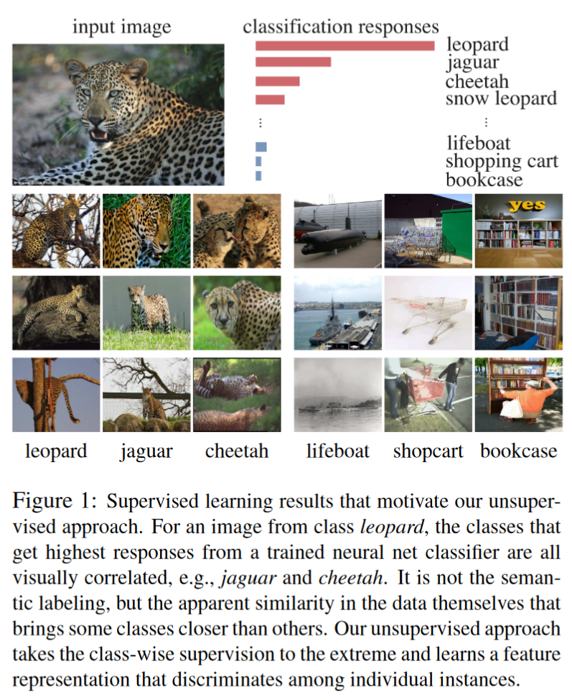
title | Unsupervised Feature Learning via Non-Parametric Instance Discrimination
author | Zhirong Wu Yuanjun Xiong Stella X. Yu Dahua Lin | UCB | CUHK | Amazon
points | our unsupervised approach takes the class-wise supervision to the extreme and learns a feature representation that discriminates among individual instances
 | using memory bank to strore feature data

